Tabelle1
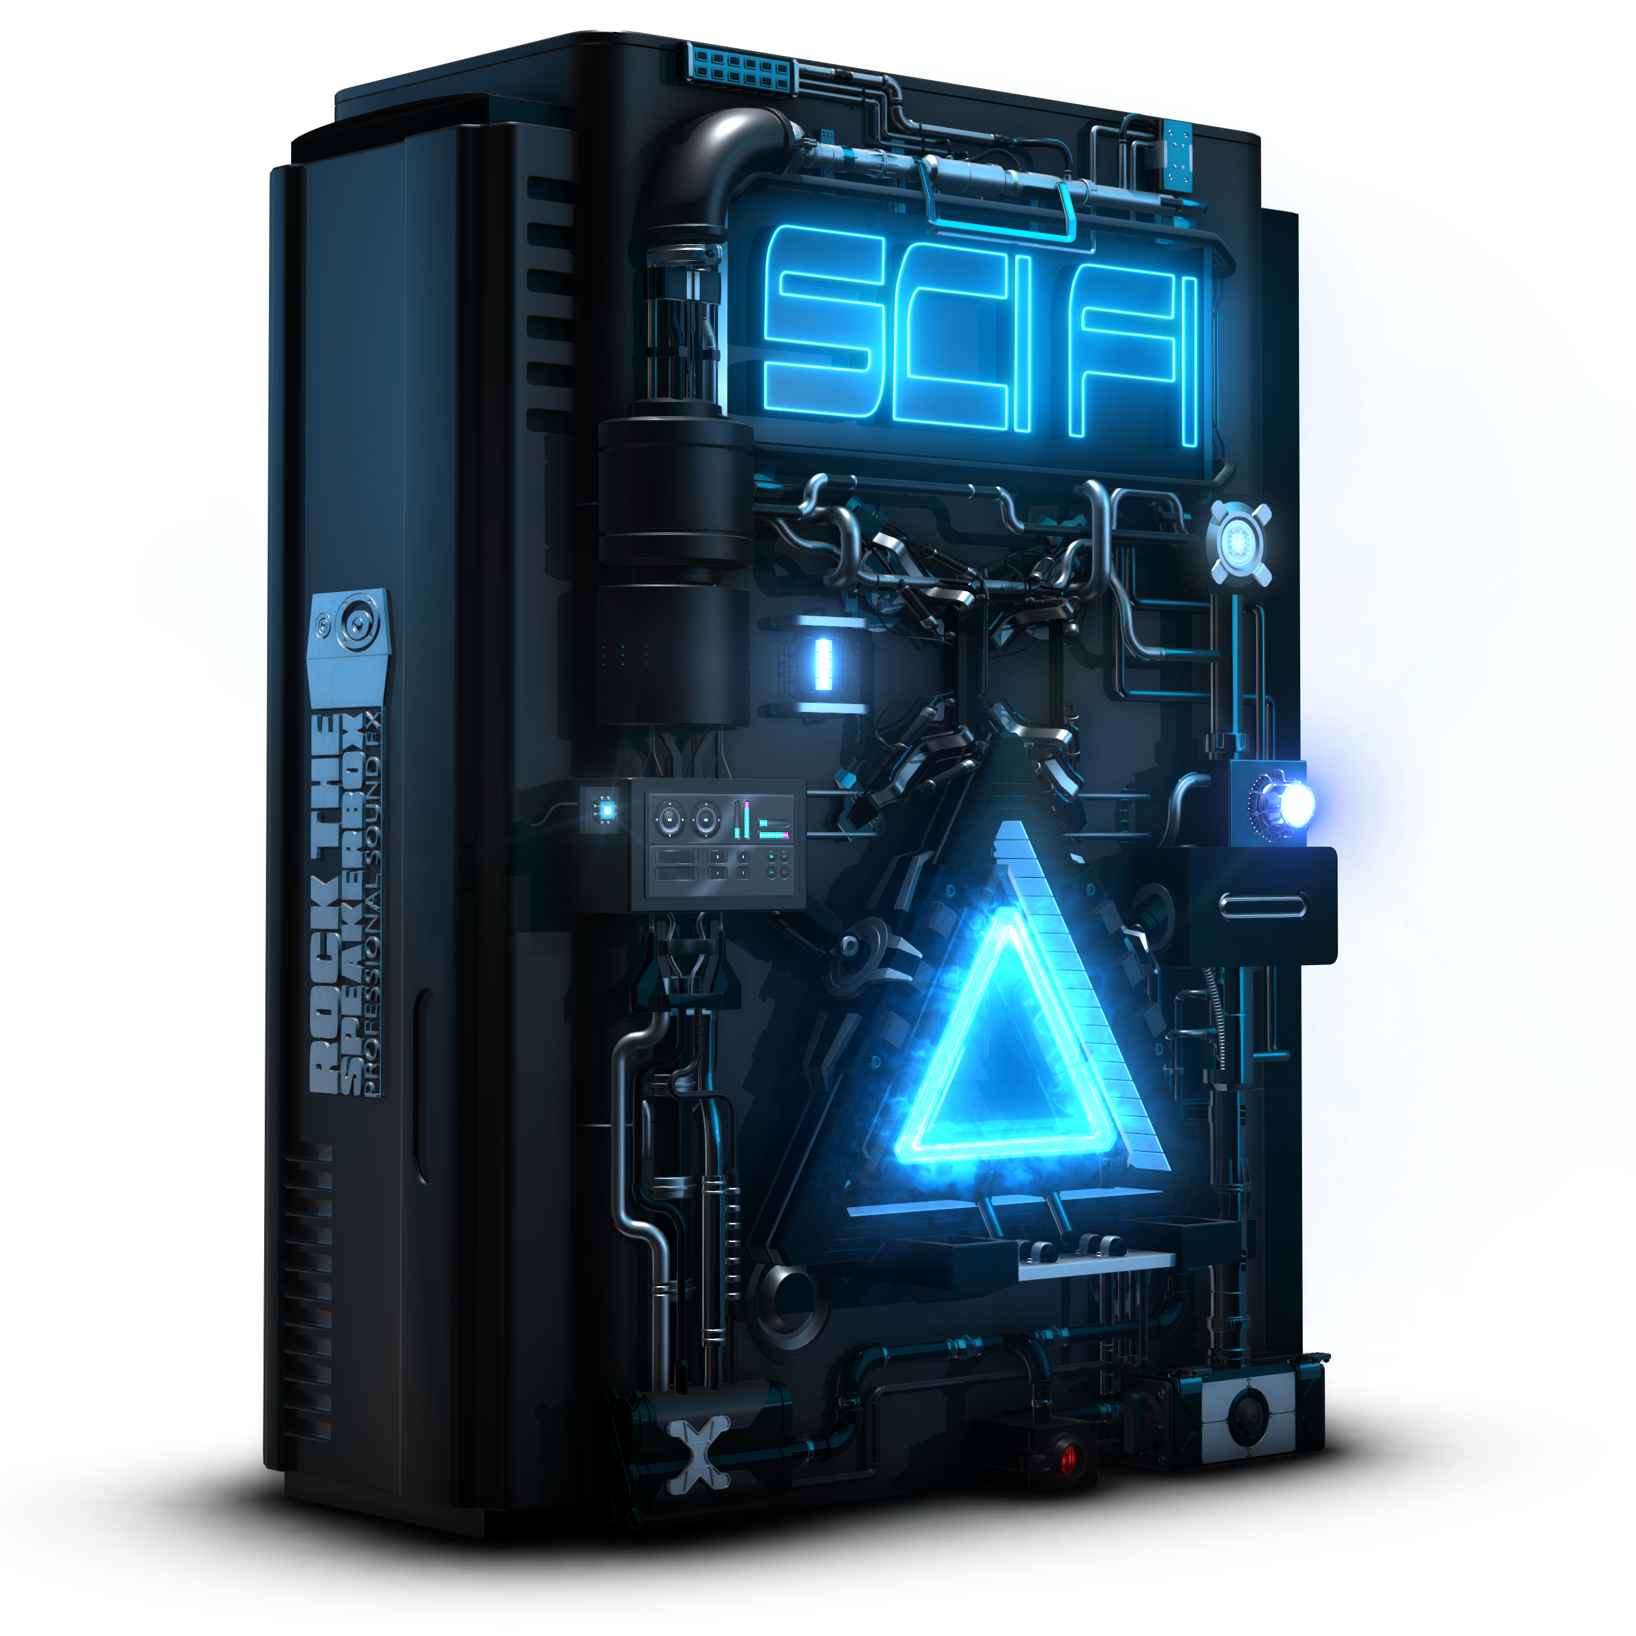

FILENAME | DESCRIPTION | SOUNDS
AMBSci-DS_AMBIENCE-Alien Mothership_RTSB_SCIFI.wav | AMBIENCE DRONE Biomechanical rumbling with slightly aqueous texture, mechanical elements and subtle fly bys. Slowly altering. | 1
AMBSci-DS_AMBIENCE-Generator Room_RTSB_SCIFI.wav | AMBIENCE BUZZING Sizzling and rumbling atmosphere. Reverberant. | 1
AMBSci-DS_AMBIENCE-Mothership Hall_RTSB_SCIFI.wav | AMBIENCE DRONE Low rumbling including subtle tonal elements. Sizzling and beeping. | 1
AMBSci-DS_AMBIENCE-Spaceship Bridge_RTSB_SCIFI.wav | AMBIENCE MACHINE Multiple mechanics and computers beeping calmly. Rumbling and occasional very low, rhythmic, metallic bumps. | 1
AMBSci-DS_AMBIENCE-Spaceship Corridor_RTSB_SCIFI.wav | AMBIENCE DRONE Dark and realistic atmosphere with some random appearing mechanical sounds. Loopable. | 1
SCICmpt-DS_MACHINES-Computer Classic_RTSB_SCIFI.wav | MACHINE COMPUTER Some classic turn on and off computer sounds with futuristic beeping elements. | 4
SCICmpt-DS_MACHINES-Computer Steampunk Machine_RTSB_SCIFI.wav | MACHINE STEAMPUNK COMPUTER Lot's of moving mechanical parts, subtle impacts and UI synth vocalizations. | 4
SCIDoor-DS_MECHANICALS-Door Hightech Close_RTSB_SCIFI.wav | MACHINE DOOR HYDRAULIC Large electric sliding door with a heavy impact sound when being closed. | 4
SCIDoor-DS_MECHANICALS-Door Hightech Open_RTSB_SCIFI.wav | MACHINE DOOR HYDRAULIC Large electric sliding door with small intro of a computer thats used to open it. | 4
SCIDoor-DS_MECHANICALS-Door Steampunk Close_RTSB_SCIFI.wav | MECHANIC DOOR GATE Metallic gate closing with rattling, decreasing pitch, air bursts and heavy impact at the end. Useful for metallic rolling gates or pressure chambers. | 4
SCIDoor-DS_MECHANICALS-Door Steampunk Open_RTSB_SCIFI.wav | MECHANIC DOOR GATE Metallic gate opening with rattling, increasing pitch, air bursts and subtle impact at the end. Useful for metallic rolling gates or pressure chambers. | 4
SCIDoor-DS_MECHANICALS-Door Thick Close_RTSB_SCIFI.wav | MECHANIC DOOR GATE Heavy metal door closing. Mechanical rattling and servo followed by strong metal impact. Vault room. | 4
SCIDoor-DS_MECHANICALS-Door Thick Open_RTSB_SCIFI.wav | MECHANIC DOOR GATE Heavy metal door opened. Metal bump followed by servo and mechanical rattling. Vault room | 4
SCIDoor-DS_MECHANICALS-Door Airlock Open Or Close_RTSB_SCIFI.wav | MACHINE DOOR HYDRAULIC Large airlock opening or closing with mechanical and pneumatic initiation, followed by large humming hydraulics and rhythmical rattling and metallic movements. Ending with large mechanical impact. | 4
SCIEnrg-DS_ELECTRICITY-Charge Large_RTSB_SCIFI.wav | ELECTRIC SPARK ZAP Gnarly buzzing with increasing pitch, tonal elements and heavy sparks. Heavily compressed. | 4
SCIEnrg-DS_ELECTRICITY-Charge Small_RTSB_SCIFI.wav | ELECTRIC BUZZ LOAD Charging electric device with increasing pitch and volume. Electrical buzzing and sparking. | 4
SCIEnrg-DS_ELECTRICITY-Discharge Large_RTSB_SCIFI.wav | ELECTRIC SPARK ZAP Gnarly buzzing with decreasing pitch, tonal elements, heavy sparks and impact at the beginning. | 4
SCIEnrg-DS_ELECTRICITY-Discharge Small_RTSB_SCIFI.wav | ELECTRIC BUZZ LOAD Discharging electric device with heavy sparks and electrical buzzing. Small machine slowing down with decreasing pitch. | 4
SCIEnrg-DS_ELECTRICITY-Energy Field Artificial_RTSB_SCIFI.wav | ELECTRIC BUZZ Saturated buzzing with slightly altering pitch, stereo movement and rotating elements. Loopable. | 1
SCIEnrg-DS_ELECTRICITY-Energy Field Embracing Hum_RTSB_SCIFI.wav | ELECTRIC BUZZ HUM Constantly humming and sparking energy field with heavy occasional sparks. Large, dense and embracing soundspace. Loopable. | 1
SCIEnrg-DS_ELECTRICITY-Energy Field Light_RTSB_SCIFI.wav | ELECTRIC BUZZ HUM Constantly humming and sparking energy field with occasional sparks. Small but dense soundspace. Loopable. | 1
SCIEnrg-DS_ELECTRICITY-Energy Field Roaring_RTSB_SCIFI.wav | ELECTRIC BUZZ Strong buzzing energy field with a heavy and dense character. Loopable. | 1
SCIEnrg-DS_ELECTRICITY-Generator Dark Matter Inverter_RTSB_SCIFI.wav | ELECTRIC ENGINE MOTOR Humming with slightly altering pitch, high frequency buzzing and sporadic tonal beeps. Loopable. | 1
SCIEnrg-DS_ELECTRICITY-Generator Spaceship_RTSB_SCIFI.wav | ELECTRIC ENGINE MOTOR Heavy buzz and high electric sizzling. Loopable. | 1
SCIEnrg-DS_ELECTRICITY-Lightning Bolt Bursting_RTSB_SCIFI.wav | ELECTRIC SPARK ZAP Heavy electrical spark bursts with altering stereo image and constant buzzing. Loopable. | 1
SCIEnrg-DS_ELECTRICITY-Lightning Bolt High Voltage_RTSB_SCIFI.wav | ELECTRIC RAY ARC Constant, high energy arc with buzzing and sparking elements. Long sequence with start and stop sound. | 1
SCIMach-DS_MACHINES-Gadget 3D Printer_RTSB_SCIFI.wav | MACHINE DEVICE HUM Futuristic 3D printing device with electric humming and buzzing, beeping UI and metallically, rattling movements. | 4
SCIMach-DS_MACHINES-Gadget Environment Scanner_RTSB_SCIFI.wav | MACHINE DEVICE COMPUTER Device with strong and defined impacts, UI synth vocalizations, metal spinning and rattling. | 4
SCIMach-DS_MACHINES-Gadget Replicator_RTSB_SCIFI.wav | MACHINE DEVICE COMPUTER Small electrical device with subtle impacts, metallic rattling and various UI elements. Useful for devices with pronounced start and end. | 4
SCIMach-DS_MACHINES-Gadget Synthetic_RTSB_SCIFI.wav | MACHINE DEVICE COMPUTER Electrical, futuristic device sound with mechanicals and synthetic character. | 4
SCIMach-DS_MACHINES-Hydraulics Large_RTSB_SCIFI.wav | MACHINE HYDRAULIC RAMP Very large hydraulic machine like a giant loading ramp running up or down. Mechanical initiation, screaming machine and rhythmical bumping mechanics. | 4
SCIMach-DS_MACHINES-Hydraulics Medium_RTSB_SCIFI.wav | MACHINE HYDRAULIC Medium hydraulic device with rigid movement, medium impacts and altering pitch. | 4
SCIMach-DS_MACHINES-Hydraulics Small_RTSB_SCIFI.wav | MACHINE HYDRAULIC Small hydraulic device with altering pitch, subtle impacts and air burst at the beginning and end. Useful for small lifting ramps and platforms. | 4
SCIMach-DS_MACHINES-Robot Movement Large_RTSB_SCIFI.wav | MACHINE ROBOT MOVE Large robot boot up followed by movements, footsteps and turn off. Useful for walking robots or large exoskeletons. | 4
SCIMach-DS_MACHINES-Robot Movement Medium_RTSB_SCIFI.wav | MACHINE ROBOT MOVEMENT Medium sized robot moving, stopping and shutting down with metallic or mechanical impacts and rattling. | 4
SCIMach-DS_MACHINES-Robot Movement Small_RTSB_SCIFI.wav | MACHINE ROBOT MOVEMENT Small robot moving, stopping and shutting down. Metallic or mechanical impacts and rattling. | 4
SCIMach-DS_MACHINES-Servo Machine Large_RTSB_SCIFI.wav | MACHINE SERVO Large servo device with rigid movement, medium impacts and altering pitch. | 4
SCIMach-DS_MACHINES-Servo Machine Medium_RTSB_SCIFI.wav | MACHINE SERVO Medium servo device with rigid movement, medium impacts and altering pitch. | 4
SCIMach-DS_MACHINES-Servo Machine Small_RTSB_SCIFI.wav | MACHINE SERVO Small servo device with altering pitch, subtle impacts and air burst at the beginning and end. Useful for small tools such as drills or small jackhammers. | 4
SCIMech-DS_MECHANICALS-Transformation Large Clanking_RTSB_SCIFI.wav | MECHANIC ROBOT TRANSFORM Large, complex, metallic transformation with multiple impacts, rattling and tonal elements. | 4
SCIMech-DS_MECHANICALS-Transformation Large Rattling_RTSB_SCIFI.wav | MECHANIC ROBOT TRANSFORM Large, complex, metallic transformation with multiple impacts, rattling and tonal elements. | 4
SCIMech-DS_MECHANICALS-Transformation Medium Clanking_RTSB_SCIFI.wav | MECHANIC ROBOT TRANSFORM Medium, complex metallic transformation with multiple impacts, rattling and tonal elements. | 4
SCIMech-DS_MECHANICALS-Transformation Medium Rattling_RTSB_SCIFI.wav | MECHANIC ROBOT TRANSFORM Medium, complex metallic transformation with multiple impacts, rattling and tonal elements. | 4
SCIMech-DS_MECHANICALS-Transformation Small Rattling_RTSB_SCIFI.wav | MECHANIC ROBOT TRANSFORM Small, complex metallic transformation with multiple impacts, rattling and tonal elements. | 4
SCIMech-DS_MECHANICALS-Transformation Small Resonant_RTSB_SCIFI.wav | MECHANIC ROBOT TRANSFORM Small, complex metallic transformation with multiple impacts, rattling and tonal fluttering elements. | 4
SCIShip-DS_VEHICLES-Spaceship 1 Flyby_RTSB_SCIFI.wav | STARSHIP ROCKET SHUTTLE Spacecraft fly by with tonal elements, combustion engine and doppler effect. Left to right, right to left and two times without stereo movement. | 4
SCIShip-DS_VEHICLES-Spaceship 1 Land_RTSB_SCIFI.wav | STARSHIP ROCKET SHUTTLE Spacecraft landing with tonal elements, combustion engine, decreasing pitch and mechanical elements at the end. Steady beginning. | 1
SCIShip-DS_VEHICLES-Spaceship 1 Start_RTSB_SCIFI.wav | STARSHIP ROCKET SHUTTLE Spacecraft starting with tonal elements, combustion engine, increasing pitch and mechanical elements at the start. Steady ending. | 1
SCIShip-DS_VEHICLES-Spaceship 1 Warp End_RTSB_SCIFI.wav | STARSHIP WARP LEAVE Spacecraft exiting warp drive with low rumbling introduction, heavy impact and tonal elements with decreasing pitch. | 4
SCIShip-DS_VEHICLES-Spaceship 1 Warp Start_RTSB_SCIFI.wav | STARSHIP WARP ENTER Spacecraft entering warp drive with tonal elements with increasing pitch, heavy impact and rumbling tail with wobbles. | 4
SCIShip-DS_VEHICLES-Spaceship 2 Flyby_RTSB_SCIFI.wav | STARSHIP ROCKET SHUTTLE Spaceship fly by with some rattling and noisy elements and doppler effect. Left to right, right to left and two variations without stereo movement. | 4
SCIShip-DS_VEHICLES-Spaceship 2 Land_RTSB_SCIFI.wav | STARSHIP ROCKET SHUTTLE A landing sequence of a spaceship that is still in full throttle and then lands on a planet or surface with some mechanical elements. | 1
SCIShip-DS_VEHICLES-Spaceship 2 Start_RTSB_SCIFI.wav | STARSHIP ROCKET SHUTTLE A starting spaceship sequence that inserts its mechanical parts and then starts to fly to open space ending in full throttle for a long time to be able to loop the end of the sequence. | 1
SCIShip-DS_VEHICLES-Spaceship 2 Warp End_RTSB_SCIFI.wav | STARSHIP WARP ENTER Short synthetic sound that indicates that a spaceship has entered light speed. | 4
SCIShip-DS_VEHICLES-Spaceship 2 Warp Start_RTSB_SCIFI.wav | STARSHIP WARP LEAVE Short synthetic sound that indicates that a spaceship has ended light speed. | 4
SCIShip-DS_VEHICLES-Spaceship 3 Flyby_RTSB_SCIFI.wav | STARSHIP HUM SHUTTLE Spacecraft fly by with humming, fluttering, tonal elements and doppler effect. Left to right, right to left and two times without stereo movement. | 4
SCIShip-DS_VEHICLES-Spaceship 3 Land_RTSB_SCIFI.wav | STARSHIP HUM SHUTTLE Spacecraft landing with, fluttering, tonal elements. Engine slowing down with mechanical rattling and impacts. Decreasing engine pitch. | 1
SCIShip-DS_VEHICLES-Spaceship 3 Start_RTSB_SCIFI.wav | STARSHIP HUM SHUTTLE Spacecraft starting with hydraulics and mechanical bumps. Followed by engine start up increasing in pitch, then constant fly sequence with humming and fluttering, tonal engine tone. | 1
SCIShip-DS_VEHICLES-Spaceship 3 Warp End_RTSB_SCIFI.wav | STARSHIP WARP LEAVE Spacecraft leaving warp drive with hissing start and stuttering, transforming, tonal elements. | 4
SCIShip-DS_VEHICLES-Spaceship 3 Warp Start_RTSB_SCIFI.wav | STARSHIP WARP ENTER Spacecraft entering warp drive charging up engine, transforming, stuttering, tonal elements. Then heavy impactful departure. | 4
SCIVeh-DS_VEHICLES-Jetpack Fly Sequence_RTSB_SCIFI.wav | ROCKET JETPACK FLY Sequence of flying jetpack. Starting with heavy air release, then roaring rocket exhaust. Ending with mechanical impact and air releases. | 4
SCIWeap-DS_WEAPONS-Bomb Complex_RTSB_SCIFI.wav | WEAPON EXPLOSION Rattling and bleeping loading process followed by strong explosion. Reverberant. | 4
SCIWeap-DS_WEAPONS-Bomb High Explosive_RTSB_SCIFI.wav | EXPLOSION BOMB BURST Explosion that has some realistic elements but also a synthetic character to it. | 4
SCIWeap-DS_WEAPONS-Bomb Plasma_RTSB_SCIFI.wav | EXPLOSION BOMB BURST Heavily blasting explosion of futuristic bomb, initiated by beeping and charging components, followed by explosion with electrical sparks and long, thundering and rumbling tail. | 4
SCIWeap-DS_WEAPONS-Cannon Blaster_RTSB_SCIFI.wav | CANNON SHOT FIRE Large, futuristic cannon loading up with rattling mechanics and beeps, then shooting with impactful and bassy blast and laserlike elements. | 4
SCIWeap-DS_WEAPONS-Cannon Spaceship_RTSB_SCIFI.wav | CANNON SHOT FIRE Heavy synthetic cannon sound of big spaceship or space station. | 4
SCIWeap-DS_WEAPONS-Gatling Gun Heavy_RTSB_SCIFI.wav | WEAPON MACHINE GUN Sequences of powerful gatling gun with different lengths. With mechanical build imitating the movement of the gatling gun before shooting. | 4
SCIWeap-DS_WEAPONS-Gatling Gun Machine_RTSB_SCIFI.wav | WEAPON MACHINE GUN Sequence of gatling gun, starting with long charge up sound including mechanical and UI elements. Then long salvos with impactful blasts, slowly heating up. | 4
SCIWeap-DS_WEAPONS-Laser Beam Pulsing_RTSB_SCIFI.wav | WEAPON LASER RAY Big laser of a spaceship or another big construction. Long lasting laser beam with pulsing and intensely fluttering tone. | 4
SCIWeap-DS_WEAPONS-Laser Beam Thunderstrike_RTSB_SCIFI.wav | WEAPON LASER RAY Heavy continuous laser beam blast with short introduction and hard impact. Gnarly tonal buzzing with slightly altering pitch and subtle knocks at the end. | 4
SCIWeap-DS_WEAPONS-Laser Beam X Ray_RTSB_SCIFI.wav | WEAPON LASER RAY Continuous laser beam blast with punchy impact. Different tonal buzzing sequences. | 4
SCIWeap-DS_WEAPONS-Laser Gun Electron Projectile_RTSB_SCIFI.wav | WEAPON LASER HANDGUN Laser pistol with short charge ups and impactful, sparking shots with tonal down sweep. Including single shots, triple shots and salvos. | 9
SCIWeap-DS_WEAPONS-Laser Gun Proton Pistol_RTSB_SCIFI.wav | WEAPON LASER HANDGUN Laser pistol shots with short introduction and tonal tails. Including single shots, triple shots and salvos. | 9
SCIWeap-DS_WEAPONS-Laser Gun Rifle_RTSB_SCIFI.wav | WEAPON LASER HANDGUN Classic laser gun sound with some synthetic and realistic elements to it. Including single shots, triple shots and salvos. | 9
SCIWeap-DS_WEAPONS-Laser Gun X Ray Gun_RTSB_SCIFI.wav | WEAPON LASER HANDGUN X Ray pistol with tonal elements. Including single shots, triple shots and salvos. | 9
AIRBlow-CK_MACHINES-Air Release Compressor Valve Chuff_RTSB_SCIFI.wav | AIR BLOW BURST Short air burst released by valve. | 6
AIRBlow-CK_MACHINES-Air Release Compressor Valve_RTSB_SCIFI.wav | AIR BLOW BURST Short air blow released by valve under pressure. | 4
AIRBlow-CK_MACHINES-Air Release Hose Chuff_RTSB_SCIFI.wav | AIR BLOW HISS Short, detailed air release produced by air hose. | 4
AIRBlow-CK_MACHINES-Air Release Hose Flutter_RTSB_SCIFI.wav | AIR BLOW HISS Stuttering air release produced by air hose. | 3
AIRBlow-CK_MACHINES-Air Release Hose Medium_RTSB_SCIFI.wav | AIR BLOW HISS Short, detailed air release produced by air hose. | 5
AIRBlow-CK_MACHINES-Air Release Hose Short_RTSB_SCIFI.wav | AIR BLOW HISS Short, detailed air release produced by air hose. | 3
AIRBlow-CK_MACHINES-Air Release Hose Whistle_RTSB_SCIFI.wav | AIR BLOW HISS Short, detailed air release produced by air hose. Slightly whistling. | 4
AIRBrst-CK_MACHINES-Air Release Compressor Valve Constant Medium_RTSB_SCIFI.wav | AIR BLOW HISS Air being released under higher pressure by valve. Heavy hissing. Medium length. | 3
AIRBrst-CK_MACHINES-Air Release Compressor Valve Constant Short_RTSB_SCIFI.wav | AIR BLOW HISS Air being released under higher pressure by valve. Heavy hissing. Short length. | 5
AIRBrst-CK_MACHINES-Air Release Compressor Valve Whistle 01_RTSB_SCIFI.wav | AIR BLOW BURST Short air burst released by valve. Impactful, slightly whistling. | 5
AIRBrst-CK_MACHINES-Air Release Compressor Valve Whistle 02_RTSB_SCIFI.wav | AIR BLOW BURST Short air burst released by valve. Impactful, slightly whistling. | 4
AIRBrst-CK_MACHINES-Air Release Iron Hard_RTSB_SCIFI.wav | STEAM BLOW HISS Short, heavy blast of steam being released by flat iron. | 6
AIRBrst-CK_MACHINES-Air Release Iron Harsh_RTSB_SCIFI.wav | STEAM BLOW HISS Short, harsh blast of steam being released by flat iron. | 6
AIRBrst-CK_MACHINES-Air Release Iron Soft_RTSB_SCIFI.wav | STEAM BLOW HISS Softer blast of steam being released by flat iron. | 6
AIRBrst-CK_MACHINES-Air Release Train Chuff 01_RTSB_SCIFI.wav | AIR BLOW HISS Long sequence of train releasing air with some occasional blasts. Reverberant. | 1
AIRBrst-CK_MACHINES-Air Release Train Chuff 02_RTSB_SCIFI.wav | AIR BLOW HISS Long sequence of train releasing air with some occasional blasts. Reverberant. | 1
AIRHiss-CK_MACHINES-Air Release Compressor Large Long_RTSB_SCIFI.wav | AIR BLOW HISS Air being released slowly by air compressor. Long sequence. | 1
AIRHiss-CK_MACHINES-Air Release Compressor Valve Constant Decreasing_RTSB_SCIFI.wav | AIR BLOW HISS Air being released under higher pressure by valve. Heavy hissing, slightly decreasing. | 4
AIRHiss-CK_MACHINES-Air Release Compressor Valve Constant Long_RTSB_SCIFI.wav | AIR BLOW HISS Air being released under higher pressure by valve. Long sequence, slowly decreasing pressure. | 1
AIRHiss-CK_MACHINES-Air Release Hose Long_RTSB_SCIFI.wav | AIR BLOW HISS Slowly increasing air release produced by air hose. | 3
ALRMMisc-CK_COMMUNICATION-Alarm 01_RTSB_SCIFI.wav | UI ALARM Buzzing alarm with steady hum. | 1
ALRMMisc-CK_COMMUNICATION-Alarm 02_RTSB_SCIFI.wav | UI ALARM Screaming alarm. Repeating double sequence. | 1
ALRMMisc-CK_COMMUNICATION-Alarm 03_RTSB_SCIFI.wav | UI ALARM Heavily buzzing alarm. Steady. | 1
ALRMMisc-CK_COMMUNICATION-Alarm 04_RTSB_SCIFI.wav | UI ALARM Heavily buzzing alarm. Steady. Loopable. | 1
...

